mutation
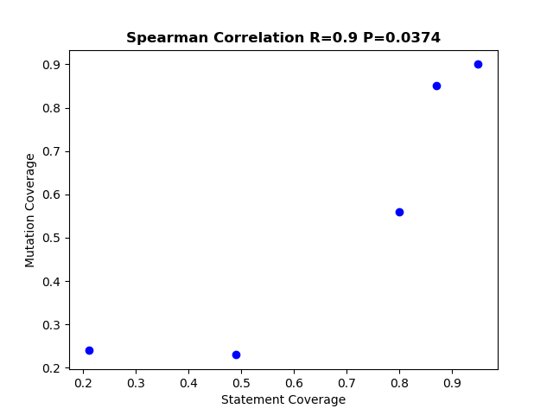
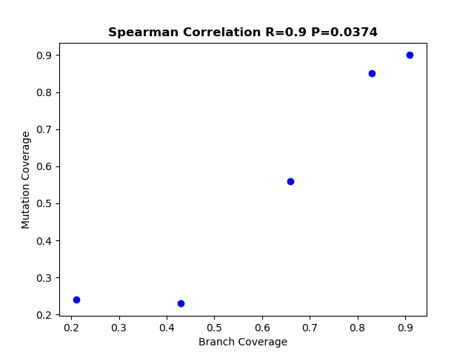
Project name | Mutation Coverage | Statement Coverage | Branch Coverage
Deltaspike 1.9 | 0.23 | 0.49 | 0.43
commons codec 1.10 | 0.9 | 0.95 | 0.91
commons configuration 2.4 | 0.85 | 0.87 | 0.83
maven shade plugin 3.0.0 | 0.24 | 0.21 | 0.21
Doxia 1.8 | 0.56 | 0.8 | 0.66

